Invoice Payments
Test Script # | Test Category | Test Scenario | Role | Test Steps | Expected Result | Actual Result | Pass/Fail | Defect # | Transaction # | Tester Name | Tester's Actual Role | Test Date | Comments | Regression test applicable ?
1.1 | CPA (Pull Funds) | CPA Creation - Bank Account Direct Debit Payment Type | Invoice Payments Admin | Create a Company Payment Account of type Direct Debit 1. Navigate to Setup -- Company Payment Account 2. Click on Create 3. Select 'Bank Account' as Payment Type and choose 'Direct Debit' 4. Select 'Invoices' for using this account for 5.Enter bank account and bank address information 6. Click on Create | A successfully created Direct Debit CPA
1.2 | CPA (Push Funds) | CPA Creation - Bank Account Push Funds Payment Type | Invoice Payments Admin | Create a Company Payment Account of type Push Funds 1. Navigate to Setup -- Company Payment Account 2. Click on Create 3. Select 'Bank Account' as Payment Type and choose 'Push Funds' 4. Select 'Invoices' for using this account for 5.Enter bank account and bank address information 6. Click on Create | A successfully created Push Funds CPA
1.3 | CPA | CPA Creation - Bank Account Digital Check Payment Type | Invoice Payments Admin | Create a Company Payment Account of type Digital Check 1. Navigate to Setup -- Company Payment Account 2. Click on Create 3. Select 'Bank Account' as Payment Type and choose 'Digital Check' 4.Select 'Invoices' for using this account for 5. Completed Legal Entity information 6. Enter Digital Check Signature and Click Save 7. Complete bank account and bank address information 8. Check Positive Pay (only if in Scope) 9. Click on Create" | A successfully created Digital Check CPA
1.4 | CPA | CPA Creation - Associate CPA to COA(s) | Invoice Payments Admin | Associate a Company Payment Account to one or many Chart of Accounts 1. Navigate to Setup -- Company Payment Account 2. On the Right, click on Edit 3. Specify one or many COAs for that CPA | The CPA is now associated with one or many COAs
1.5 | CPA | CPA Creation - Set Default CPA(s) | Invoice Payments Admin | Set a default Company Payment Account for a given Chart of Accounts 1. Navigate to Setup -- Default Company Payment Account 2. On the Right, click the Edit icon for a given COA 3. Set a default CPA for the overall COA 4. Set a default CPA for each currency for the COA (may just be one) | The COA now has an overall default CPA as well as currency specific default CPAs
1.6 | CPA | CPA Creation - Notification |  | Check email for notification of newly created CPA notification | Received newly created CPA notification
1.7 | SPA | SPA Creation - Bank Transfer | Invoice Payments Admin | Create Supplier Payment Account of Bank Transfer 1.Navigate to Setup >> Suppliers 2. On the Right under "Action", Click 'Add a payment account' icon 3. Enter 2FA 4. Select payment method 'Bank Transfer' 5. Coupa Pay status as Enabled 6. Complete bank account information 7. Enter the bank address 8. Remit-To-address: Can be added newly or selected from Company remit-to 9. Click Create | A successfully created Bank Transfer SPA
1.8 | SPA | SPA Creation - Digital Check Transmitted to Supplier on CSP | Invoice Payments Admin | Create Supplier Payment Account of Digital Check 1.Navigate Setup >> Suppliers 2. On the Right under "Action", Click 'Add a payment account' icon 3. Enter 2FA 4. Select payment method >> Digital Check 5. Delivery Method : Supplier 6. Coupa Pay status >> Enabled 7. Enter the email address (Even when the digital checks will be sent to CSP, email is mandatory) 8. Remit-To-address 9. Click Create | A successfully created Digital Check SPA
1.9 | SPA | SPA Creation - Digital Check Transmitted to Buyer to download, print and mail it to supplier | Invoice Payments Admin | Create Supplier Payment Account of Digital Check 1.Navigate Setup >> Suppliers 2. On the Right under "Action", Click 'Add a payment account' icon 3. Enter 2FA 4. Select payment method >> Digital Check 5. Delivery Method : Buyer 6. Coupa Pay status >> Enabled 7. Enter the email address (Even when the digital checks will be sent to CSP, email is mandatory) 8. Remit-To-address : 9. Click Create | A successfully created Digital Check SPA
2 | SPA | SPA Creation - Notification |  | Check email for notification of newly created SPA notification | Received newly created SPA notification
2.1 | SPA | SPA Deactivation | Invoice Payments Admin | 1. Navigate to Setup >> Supplier payment accounts 2. On the Right, Click Inactivate button 3. Select 'OK' from the confirmation screen | SPA is deactivated
2.2 | Payment Batch | Payment Batch Creation - Single Payment Batch with multiple Invoices from same supplier but billed to different COAs | Invoice Payment Processor; or Invoice Payments Admin | 1. Navigate to Payments 2. Navigate to Invoice Payments 3. Select multiple Invoices with status - Ready to Pay for the same supplier but having different COA | Single Payment Batch is created with the same supplier but contains different COA's (can have different default CPAs based on set defaults)
2.3 | Payment Batch | Payment Batch Creation - Single Payment Batch with multiple Invoices with different Payment Methods (e.g. bank transfer, digital check) | Invoice Payment Processor; or Invoice Payments Admin | 1. Navigate to Payments 2. Navigate to Invoice Payments 3. Select multiple Invoices with status - Ready to Pay for suppliers having different Payment Methods - Bank transfers and Digital Checks | Single Payment Batch is created that contains Invoices with combinations of Bank transfer and Digital Checks Payment method Note: For a Digital Check payment, if you have received the checks as a Buyer, you should be able to download them in Payments -- Invoice Payments -- Digital Checks -- To the Right under Actions -- Click on Download
2.4 | Payment Batch | Payment Batch Creation - Single Payment Batch with multiple Invoices from same Supplier but different Remit-To Addresses (i.e. different SPAs) | Invoice Payment Processor; or Invoice Payments Admin | 1. Create 2 SPAs for a supplier with unique remit-to and Payment method (Digital Check and Direct Debit) 2. Create and approve at least 2 invoices with supplier (from step 1) 3. Navigate to Payments -- Invoice Payments -- Invoices to Pay 4. Select single supplier invoices (from Step 2) that are Ready to Pay with multiple SPA's for that supplier. (Ensure the Invoices are ready to Pay and are synced into ERP) 5. Check Invoices you want to Batch -- Click on "Prepare Payment Batch" 6. Click anywhere in the grey box -- Will open up for Editing SPA -- Select a different SPA than what was defaulted -- Save 7. Approve and Release Payment Batch | A single suppliers can be paid to separate accounts based invoice remittance
2.5 | Payment Batch | Payment Batch Edit - Remove Invoice(s) from Draft Payment Batch | Invoice Payment Processor; or Invoice Payments Admin | 1. Create 3 invoices for suppliers (with method - Digital Check/Direct Debit/Virtual Cards) 2. Approve Invoices 3. Create a Payment batch for all 3 Invoices (It is okay to have combinations of payment methods or with multiple COAs in this batch) 4. Save this Payment batch as a Draft 5. The status of the Payment Batch will now show as Draft 6. Go to Payment Batches -- On the Right, click on Edit for a Draft payment batch 7. Click anywhere in the grey box -- Will open up for Editing -- To the Right under "Actions" -- Click on Remove | The new Payment batch will not contain the invoices that were removed and this could be submitted for approval and will have a status as Pending approval. The Invoices that were removed will be able to be added to another new batch.
2.6 | Payment Batch | Payment Batch Approval - Reject Payment Batch | Invoice Payment Approver; or Invoice Payments Admin | 1. Navigate to Payments -- Invoice Payments -- Payment Batches 2. Click on Payment Batch # with status Pending approval. 3. Click on Reject at the bottom of the page. | The Payment batch will be rejected and the payment batch will be in a draft status for someone to correct it and send it for approval once again.
2.7 | Payment Batch | Payment Batch Approval - Edit Payment Batch as Approver to remove Invoice(s) from Batch | Edit Invoice Payment as Approver | 1. Navigate to Payments -- Invoice Payments -- Payment Batches 2. Click on Payment Batch # with status Pending approval. 3. Click Edit 4. Click anywhere in the grey box -- Will open up for Editing -- To the Right under "Action" -- Click on Remove. | The new batch will not have an invoice that was removed and this Invoice will be able to be added to the new batch
2.8 | Payment Batch | Payment Batch Approval - Release Approved Payment Batch | Invoice Payment Releaser | 1. Navigate to Payments -- Invoice Payments -- Payment Batches 2. Click on Payment Batch # that is in "Approved" status 3. Click on Release 4. Enter 2FA 5. Authorize the payment | The Payments batch is now released and the payments are now in payment initiated
2.9 | Payment Batch | Negative Testing - Attempt to release Batch as Batch Creator | Invoice Payment Releaser | 1. Payment Batch creator to create the batch 2. Invoice Payment Approver to approve the batch 3. Payment Batch creator can now attempt to release the batch | User will not be able to release the batch that they created
3 | Payment Batch | Negative Testing - Attempt to release Batch when "Acting As" another User | Invoice Payment Releaser Act As User | 1. Payment Batch creator to create the batch 2. Invoice payment approver to approve the batch 3. Payment Batch creator/approver to act as a releaser and attempt to release the payment batch | Will not be able to release the payment while in impersonation
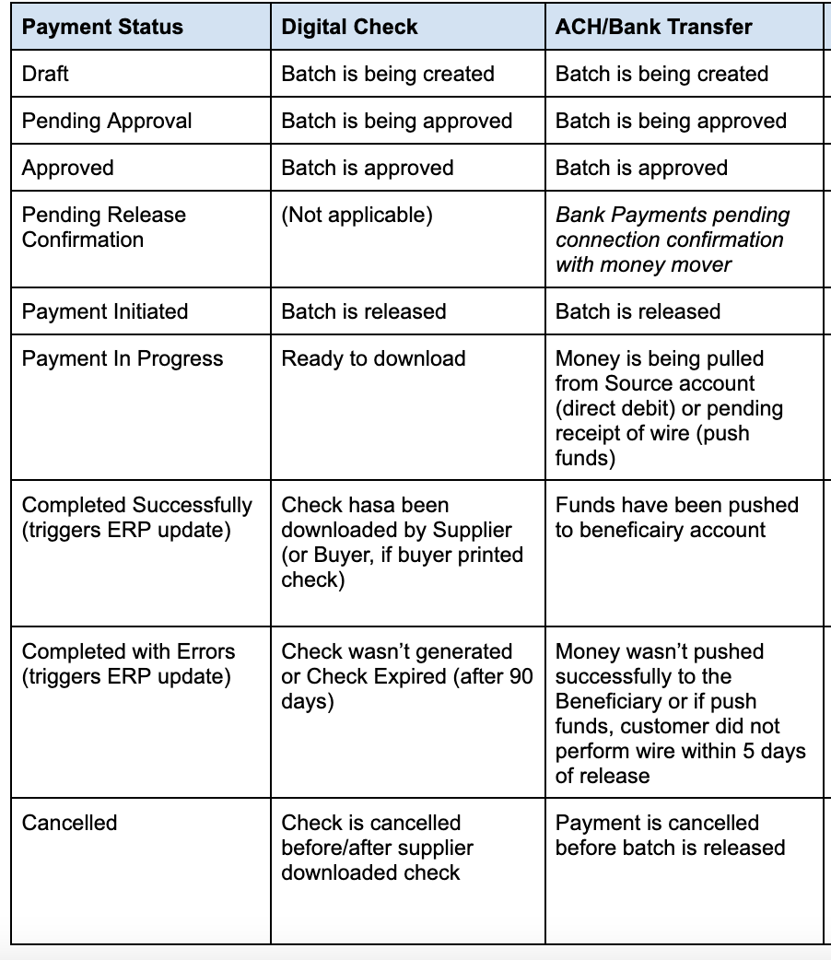
3.1 | Payment Batch | Payments - Bank Transfer Payment Successfully Completed | Invoice Payment Processor; or Invoice Payments Admin | 1. After all the above steps, after the batches have all been released by the Releaser 2. Coordinate with Coupa Pay/Partner team to simulate a successful payment Note: Partners to create a Coupa support ticket to flip the status to "Completed Successfully". See Payment Status table for more details by scrolling further to the right | Invoices will be marked as paid and payments status will be completed successfully
3.2 | Payment Batch | Payments - Bank Transfer Payment Completed with Errors | Invoice Payment Processor; or Invoice Payments Admin | 1. Create, approve and release payment batch including bank transfer payments 2. Coordinate with Coupa Pay team to simulate a payment resulting in error 3. Review that invoices are now 'Ready to Pay' again and can be included in a new payment batch 4. Review if the SPA is deactivated - NOTE: this does not occur in TEST automatically Important Notes to remember for go live: 1. After going live, in the event of payment bouncebacks for any reason, the supplier gets notified of the payment attempt failure and the SPA will be deactivated automatically. 2. Email notifications are also sent to all users who have permissions to create Supplier Payment Accounts. Communicate with your Suppliers to get the proper remittance account details to ensure that a new SPA is submitted for review and approval prior to payment. 3. In Coupa, the status of the Payment will be updated to "Completed with Errors" and an Error Message will be provided. The related invoice(s) will also be updated back to "Ready to Pay". It is suggested that this be reviewed daily. For example, customer could set-up a schedule to run this View daily and email to designated users for review and/or action. 4. Additionally, Coupa Payment operations team will also notify the Customer contact, that will state the reasons for the payment failure which you could communicate to the supplier and request Supplier add new Remit To Account in the CSP. 5. Transfermate will return funds to the customer's bank account for the returned payment | 1. Payment status will be completed with errors and invoices will be able to be included in a new payment batch 2. SPA is inactivated (Note: in Test this will not occur due to manual updates) 3. Notifications are sent out to the suppliers and also to the SPA creators to either create a new SPA manually or communicate with your suppliers to submit correct details from CSP.
3.3 | Payment Batch | Payments - Digital Check Payment Successfully Completed | Invoice Payment Processor; or Invoice Payments Admin | 1. After all the above steps, after the batches have all been released by the Releaser 2. Act as a Supplier 3. Log into CSP with the corresponding suppliers and download digital check 4. Review digital check payment See Payment Status table for more details by scrolling further to the right | Digital check payment status will be completed successfully
3.4 | Payment Batch | Payment Batch Creation - Remove Invoices from Coupa Pay queue | Invoice Payment Processor; or Invoice Payments Admin | 1. Create and approve invoice (for a approved SPA) and make sure Invoice Payment Channel is Coupa Pay 2. Go to Payments -- Invoices to Pay -- expand the two little arrows to the right of the screen 3. Under Actions -- you will find a green toggle that can remove Invoice from Coupa Pay. 4. Turn that off | 1. This will remove invoice from Coupa Pay and the payment channel on the Invoice will be updated to ERP. 2. The Invoice will get routed to ERP to get paid.
3.5 | Payment Batch | Payment Batch Creation - Cross Border Payments (e.g. debit USD account to credit supplier's non-USD domiciled account) | Invoice Payment Processor; or Invoice Payments Admin | 1. Create an SPA in the same currency as an Invoice. For example GBP 2. Create an Invoice in a GBP currency (whichever currency the SPA was created) 3. Create a payment batch and make sure the "Pay From" Account is USD Bank account and "Pay To" is for Non USD (GBP) SPA you created in #1. 4. Release a Payment (Exchange Rate conversion should show up while authorizing the payment) | This will allow you to pay from your US bank account to an International supplier. Note: Please ensure to check if this payment is integrated into your ERP correctly.
3.6 | Payment Batch | Payment Batch Creation - Edit Batch to adjust Invoice(s) to partially pay | Invoice Payment Processor; or Invoice Payments Admin | 1. Create an Invoice for a supplier with Payment Method of either (Bank Transfer/Digital Check/Virtual Card on Invoice) 2. Create a Payment Batch and Hit one click on the Invoice that you want to Partially Pay 3. Under Actions to the right hand side, click on Adjust and put the adjustment amount that you want to pay and Click on Save 4. Approve payment batch and release payment batch 5. Coupa Support to flip the payment to "Completed Successfully" 6. The Residual amount for this Invoice will now show up in Ready to pay list for you to batch it up 7. The status of the residual invoice payment will be updated to "Partially Paid" | 1. You can now pay the Residual invoice payment that is updated to "Partial Paid" 2. Create a Payment Batch and Approve/release the batch
3.7 | Payments Cancellation | Cancel Digital Check BEFORE Supplier downloads the check from CSP |  | 1. Create and approve Invoice for Digital Check Supplier 2. Create a payment batch, approve and release the Payment batch 3. Digital Check Invoice goes into status - Payment in Progress Note: At this point until the suppliers download the digital checks from CSP, you have the ability to cancel the Invoice. 4. Under Payments -- Actions click on the Red Icon that says Cancel. | 1. The Digital check will now be cancelled and the status will be updated to Cancelled. 2. You will see this Cancelled invoice in your Ready to Pay list so you can re-batch it.
3.8 | Payments Cancellation | Cancel Digital Check AFTER Supplier downloads the check from CSP |  | 1. Create an Invoice for Digital Check Supplier 2. Create a payment batch, approve and release the Payment batch 3. Digital Check Invoice goes into status - Payment in Progress 4. Log into CSP and download the check 5. Log into Coupa and see the payment status will be now updated to "Completed Successfully" (This will update your ERP with a status as Paid) 6. Go to Payments -- Click on Cancel (Red Icon to the Right) to cancel the check after supplier downloads the check from CSP 7. Either Rebatch the Invoice to reissue a new check or Create another SPA if supplier wants to get paid via other channel | 1. This will allow you to re-batch the invoice payment and you should be able to see this in Ready to Pay list. 2. This will also allow you to reissue the check the supplier or move the suppliers to other Payment Channel if the supplier doesn't want to receive Check payments. Important Note: If Digital Checks are cancelled after they are downloaded by the suppliers, it is customers responsibility to call your bank and do a STOP Payment with your bank. Cancelling the check does not cancel the check that the supplier has already downloaded. So to avoid any double payment to the supplier, please be sure to call your back as soon as you cancel.
3.9 | Payments Credit Note | Credit Note Creation - Create a Credit Note to apply to next Supplier Invoice |  | 1. Create a Payment batch, approve and release the batch for a supplier for $100 Note: You want to create a credit note for this supplier that can be applied on the next invoice (Ensure the Remit to address on the Credit notes match with that on the Invoice) 2. Create another invoice for $200 3. Assuming you want to apply the Credit for $100, create a credit note for $100 3. Create a payment batch (the includes #2 and #3) 4. Approve the Payment batch and release it | The Supplier gets paid only for $100 for the new invoice (#2) you created.
4 |  | Payment Timing: | Here is the link-- https://success.coupa.com/Support/Docs/Core_Apps/Coupa_Pay/Announcements_and_General_Info/z_Bank_Payment_Timing
4.1 |  | Payment Status and their definitions

